Front & Preliminaries
 |  |  |  | SPECIFICATION | April 2026
 |  |  |  | IOGP S-747D | Version 1.01
 |  |  | ADDENDUM 1 TO FIRST EDITION (SEPTEMBER 2022)

Procurement Data Sheet for High-voltage AC Drive Systems (IEC)

Revision history
VERSION | DATE | PURPOSE
1.01 | April 2026 | Addendum 1
1.0 | September 2022 | First Edition

Acknowledgements

This IOGP Specification was prepared by a Joint Industry Programme 33
Standardization of Equipment Specifications for Procurement organized
by IOGP with support by the World Economic Forum (WEF).

Disclaimer
Whilst every effort has been made to ensure the accuracy of the information
contained in this publication, neither IOGP nor any of its Members past present or
future warrants its accuracy or will, regardless of its or their negligence, assume
liability for any foreseeable or unforeseeable use made thereof, which liability is
hereby excluded. Consequently, such use is at the recipient’s own risk on the basis
that any use by the recipient constitutes agreement to the terms of this disclaimer.
The recipient is obliged to inform any subsequent recipient of such terms.
Please note that this publication is provided for informational purposes and
adoption of any of its recommendations is at the discretion of the user. Except as
explicitly stated otherwise, this publication must not be considered as a substitute
for government policies or decisions or reference to the relevant legislation relating
to information contained in it.
Where the publication contains a statement that it is to be used as an industry
standard, IOGP and its Members past, present, and future expressly disclaim all
liability in respect of all claims, losses or damages arising from the use or
application of the information contained in this publication in any industrial application.
Any reference to third party names is for appropriate acknowledgement of their
ownership and does not constitute a sponsorship or endorsement.

Copyright notice
The contents of these pages are © International Association of Oil & Gas Producers.
Permission is given to reproduce this report in whole or in part provided (i)
that the copyright of IOGP and (ii) the sources are acknowledged. All other rights are
reserved. Any other use requires the prior written permission of IOGP.
These Terms and Conditions shall be governed by and construed in accordance
with the laws of England and Wales. Disputes arising here from shall be exclusively
subject to the jurisdiction of the courts of England and Wales.

IOGP S-747D (1.01) Procurement Data Sheet for High-voltage AC Drive Systems (IEC)

Foreword

This specification was prepared under Joint Industry Programme 33 (JIP33) "Standardization of Equipment Specifications for Procurement" organized by the International Oil & Gas Producers Association (IOGP) with the support from the World Economic Forum (WEF). Companies from the IOGP membership participated in developing this specification to leverage and improve industry level standardization globally in the oil and gas sector. The work has developed a minimized set of supplementary requirements for procurement, with life cycle cost in mind, resulting in a common and jointly agreed specification, building on recognized industry and international standards.

Recent trends in oil and gas projects have demonstrated substantial budget and schedule overruns. The Oil and Gas Community within the World Economic Forum (WEF) has implemented a Capital Project Complexity (CPC) initiative which seeks to drive a structural reduction in upstream project costs with a focus on industry-wide, non-competitive collaboration and standardization. The CPC vision is to standardize specifications for global procurement for equipment and packages. JIP33 provides the oil and gas sector with the opportunity to move from internally to externally focused standardization initiatives and provide step change benefits in the sector's capital projects performance.

This specification has been developed in consultation with a broad user and supplier base to realize benefits from standardization and achieve significant project and schedule cost reductions.

The JIP33 work groups performed their activities in accordance with IOGP's Competition Law Guidelines (November 2020).

IOGP S-747D (1.01) Procurement Data Sheet for High-voltage AC Drive Systems (IEC)

Introduction

The purpose of this procurement data sheet is to define purchaser specific requirements for the procurement of high-voltage AC drive systems in accordance with IOGP S-747 for application in the petroleum and natural gas industries. The procurement data sheet provides project specific requirements where the specification requires the purchaser to define an application specific requirement. It also includes information required by the purchaser for technical evaluation purposes. Additional purchaser supplied documents can be listed in the procurement data sheet to define scope and technical requirements for enquiry and purchase of the equipment.

This procurement data sheet shall be used in conjunction with the specification (IOGP S-747), information requirements specification (IOGP S-747L) and quality requirements specification (IOGP S-747Q) which together comprise the full set of specification documents. The introduction section in the specification provides further information on the purpose of each of these documents and the order of precedence for their use.
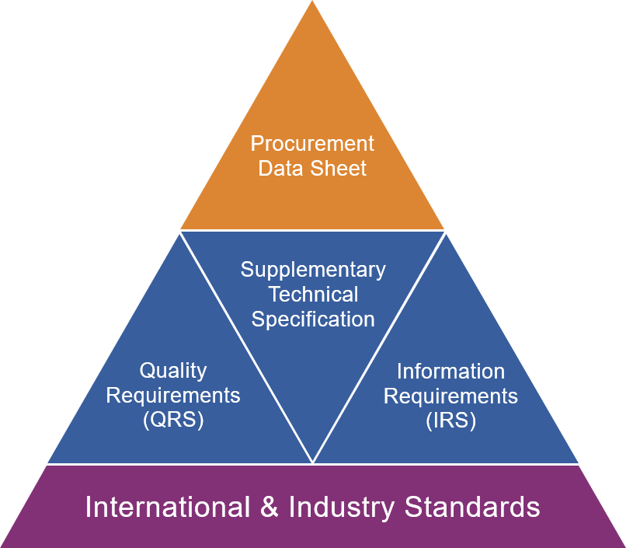
JIP33 Specification for Procurement Documents Procurement Data Sheet

