Front & Preliminaries
 |  |  |  |  | SPECIFICATION | January 2024
 |  |  |  |  | IOGP S-743D | Version 1.0

 | Procurement Data Sheet for
 | Metal-Clad Switchgear (IEEE)

 | Revision history
 | VERSION | DATE |  | PURPOSE
 | 1.0 | January 2024 |  | First Edition

 | Acknowledgements

 | This IOGP Specification was prepared by a Joint Industry Programme 33
 | Standardization of Equipment Specifications for Procurement organized
 | by IOGP with support by the World Economic Forum (WEF).

 | Disclaimer
 | Whilst every effort has been made to ensure the accuracy of the information
 | contained in this publication, neither IOGP nor any of its Members past present or
 | future warrants its accuracy or will, regardless of its or their negligence, assume
 | liability for any foreseeable or unforeseeable use made thereof, which liability is
 | hereby excluded. Consequently, such use is at the recipient’s own risk on the basis
 | that any use by the recipient constitutes agreement to the terms of this disclaimer.
 | The recipient is obliged to inform any subsequent recipient of such terms.
 | Please note that this publication is provided for informational purposes and
 | adoption of any of its recommendations is at the discretion of the user. Except as
 | explicitly stated otherwise, this publication must not be considered as a substitute
 | for government policies or decisions or reference to the relevant legislation relating
 | to information contained in it.
 | Where the publication contains a statement that it is to be used as an industry
 | standard, IOGP and its Members past, present, and future expressly disclaim all
 | liability in respect of all claims, losses or damages arising from the use or
 | application of the information contained in this publication in any industrial application.
 | Any reference to third party names is for appropriate acknowledgement of their
 | ownership and does not constitute a sponsorship or endorsement.

 | Copyright notice
 | The contents of these pages are © International Association of Oil & Gas Producers.
 | Permission is given to reproduce this report in whole or in part provided (i)
 | that the copyright of IOGP and (ii) the sources are acknowledged. All other rights are
 | reserved. Any other use requires the prior written permission of IOGP.
 | These Terms and Conditions shall be governed by and construed in accordance
 | with the laws of England and Wales. Disputes arising here from shall be exclusively
 | subject to the jurisdiction of the courts of England and Wales.

IOGP S-743D (1.0) Procurement Data Sheet for
Metal-Clad Switchgear (IEEE)

Foreword

 | This specification was prepared under Joint Industry Programme 33 (JIP33) "Standardization of Equipment Specifications for Procurement" organized by the International Oil & Gas Producers Association (IOGP) with the support from the World Economic Forum (WEF). Companies from the IOGP membership participated in developing this specification to leverage and improve industry level standardization globally in the oil and gas sector. The work has developed a minimized set of supplementary requirements for procurement, with life cycle cost in mind, resulting in a common and jointly agreed specification, building on recognized industry and international standards.

 | Recent trends in oil and gas projects have demonstrated substantial budget and schedule overruns. The Oil and Gas Community within the World Economic Forum (WEF) has implemented a Capital Project Complexity (CPC) initiative which seeks to drive a structural reduction in upstream project costs with a focus on industry-wide, non-competitive collaboration and standardization. The CPC vision is to standardize specifications for global procurement for equipment and packages. JIP33 provides the oil and gas sector with the opportunity to move from internally to externally focused standardization initiatives and provide step change benefits in the sector's capital projects performance.

 | This specification has been developed in consultation with a broad user and supplier base to realize benefits from standardization and achieve significant project and schedule cost reductions.

 | The JIP33 work groups performed their activities in accordance with IOGP's Competition Law Guidelines (November 2020).

IOGP S-743D (1.0) Procurement Data Sheet for
Metal-Clad Switchgear (IEEE)

Introduction

 | The purpose of this procurement data sheet is to define purchaser specific requirements for the procurement of metal-clad switchgear in accordance with IOGP S-743 for application in the petroleum and natural gas industries. The procurement data sheet provides project specific requirements where the specification requires the purchaser to define an application specific requirement. It also includes information required by the purchaser for technical evaluation purposes. Additional purchaser supplied documents can be listed in the procurement data sheet to define scope and technical requirements for enquiry and purchase of the equipment.

 | This procurement data sheet shall be used in conjunction with the specification (IOGP S-743), information requirements specification (IOGP S-743L) and quality requirements specification (IOGP S-743Q) which together comprise the full set of specification documents. The introduction section in the specification provides further information on the purpose of each of these documents and the order of precedence for their use.
 |  |  | 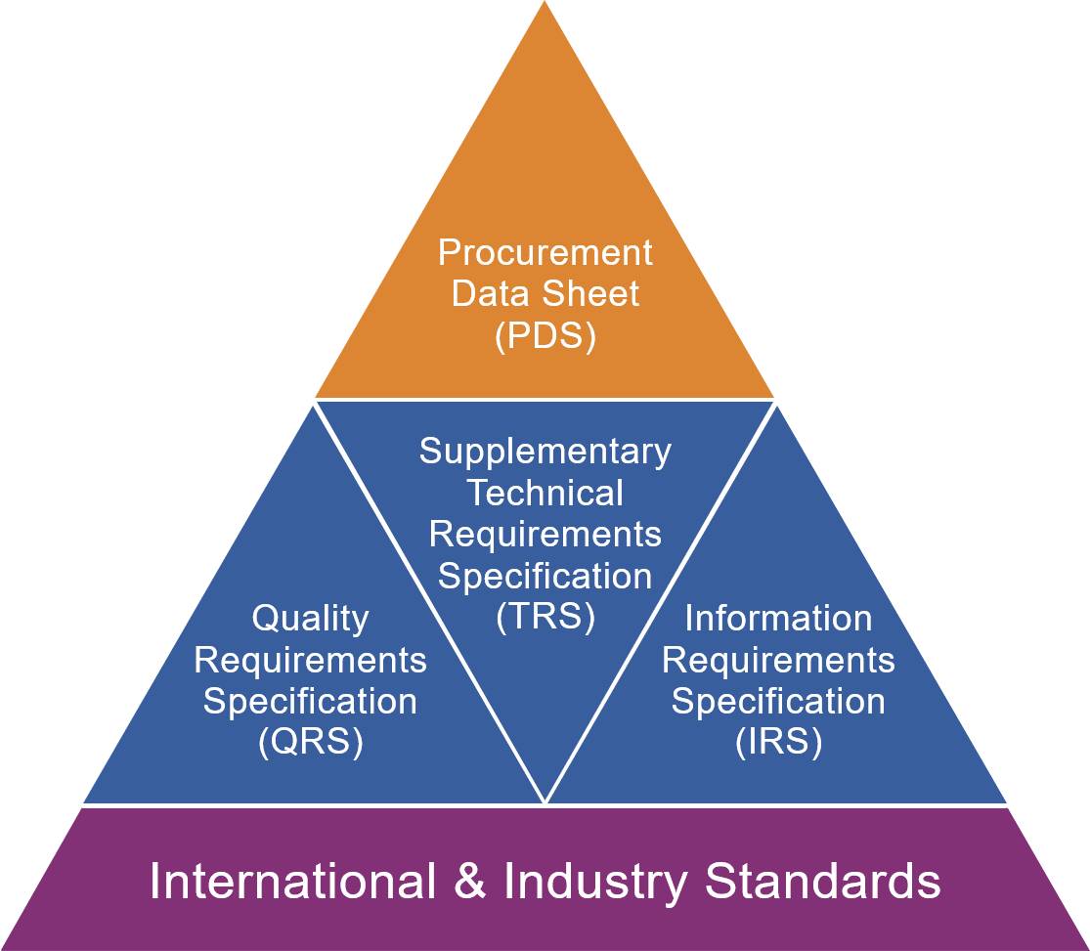
JIP33 Specification for Procurement Documents Procurement Data Sheet (PDS)

Back Cover


